JS BRule
client side script on Model Driven App | https://blogs.perficient.com/2022/07/21/in-depth-understanding-of-client-side-script-on-model-driven-app/

Trigger Events | Form Load event
 | Data change event (Field Onchange)
 | Form Save event
 | Command bar (behind a button)

what you can do - USAGE | Get or Set values of a Form attributes
 | Show and Hide user Interface such as Tabs, sections, and attributes
 | Model driven form switching, if have multiple forms
 | Open dialog box, forms, reports, and custom web resource (HTML pages)
 | Interact with Business process flow

With whom JS can interact | App: Provides App-related methods such as event handlers for any app level notifications. | XRM is independent static class
 | Device: Provides methods to use native device capabilities such as image, video, audio, location and more.
 | Encoding: Provides methods to encode and decode scripts (useful for HTML and XML).
 | Navigation: Provides navigation related methods, such as opening Alert or Confirm dialog box, open File, URL and more.
 | Panel: Provides method to open web page on side panel of model driven form.
 | Utility: Provides information about entity/table metadata, table status transition, current origination setting and many more. | [executionContext.getFormContext()] Client API form context (formContext), and by creating an object, it will provide a reference to the form
 | Web API: Provides properties and method to use Web API.
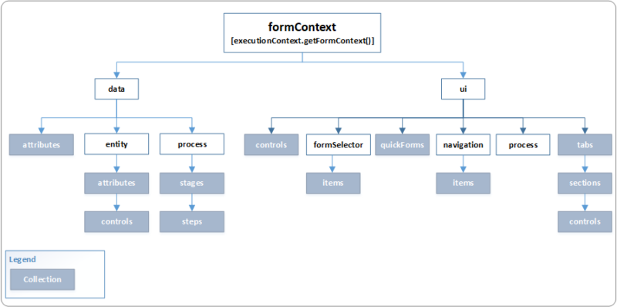
Execution Context | pass execution context as first parameter
 | execution context is it will retrieve the model driven Form and Grid context

Run Client script as EVENT HANDLER
1. Register Client script
2. Register web resource | as a js library in form
3. Register Event on form | Based on event js is triggered

Data Object | retrieve or perform any action on Table/entity level
formContext.data.entity.attributes | retrieve the information that are specific to row that is displayed on Form
formContext.data.entity.addOnSave (myFunction) | retrieve the information that are specific to row that is displayed on Form, here you can perform Save operation
formContext.data.process.addOnStageSelected(myFunction) | provides the method, events, and object to interact with Business process flow on a form

UI Object | retrieve information of user interface
formContext.ui.controls | represents an HTML element that is present on a Model driven form
formItem=formContext.ui.formSelector.getCurrentItem(); formItem.getLabel();

Plugins
plugins timeout - plugin is rollbacked | plugins execution time > 2 minutes | avoid for bulk operations - use flows
impersonation | any user can run plugins

event lifecycle pipeline |  | preValidation -- cannot be rollbacked
 |  | preOperation/postOperation -- Always SET OF TRANSACTIONS [like db operations] -- (so this can be rollback all trans if one failes)
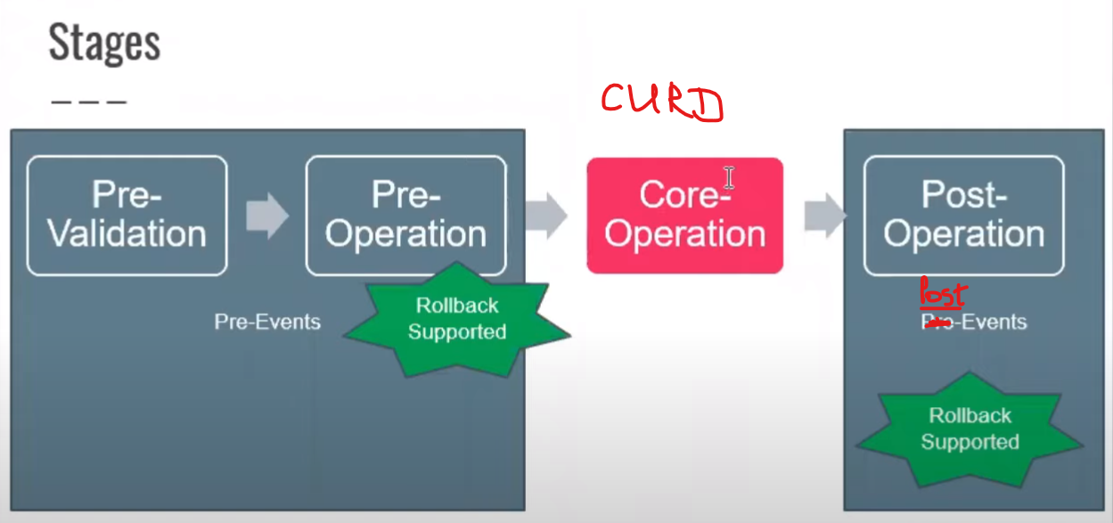
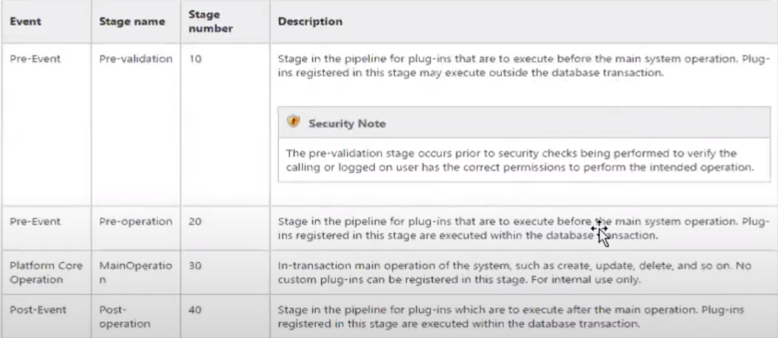
1

2

CODE
vs2022 | create new class library go to dir, clean directory content, except solution file
install Power Platform CLI | dotnet tool install --global Microsoft.PowerApps.CLI.Tool
 | pac plugin init --skip-signing
 | open vs2022 from dir (new csproj)
nuget package - include all required dlls | Microsoft.CrmSdk.CoreAssemblies

plugin are always a "Class Library" | https://github.com/microsoft/Dynamics365-Apps-Samples/blob/master/samples-from-msdn/Plug-ins/FollowupPlugin.cs

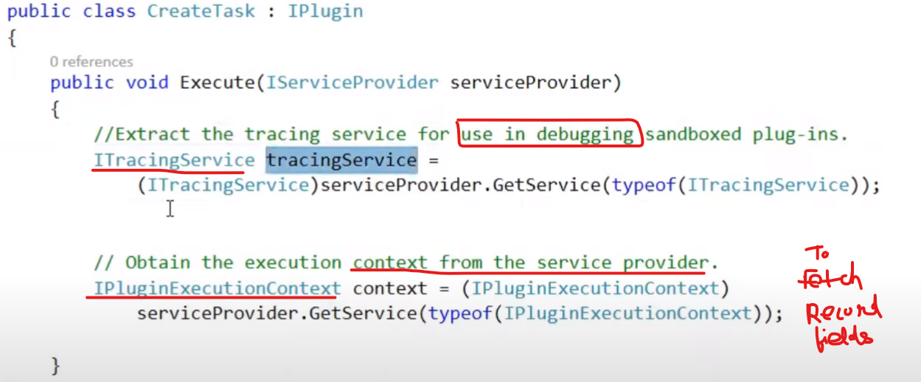
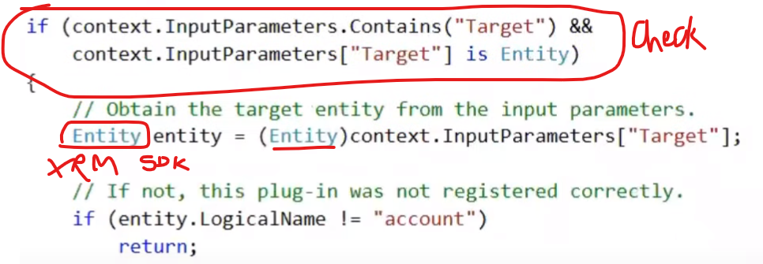
 |  | context obj have 2 collection --> Validations againist which entity context object have fetched values | inputParameter collection stores field values that are passed from ENTITY TO PLUGIN
 |  |  | OutputParameter collection stores ID values if any entity is created

 |  |  | if condition -- ensures if the entity is created successfully
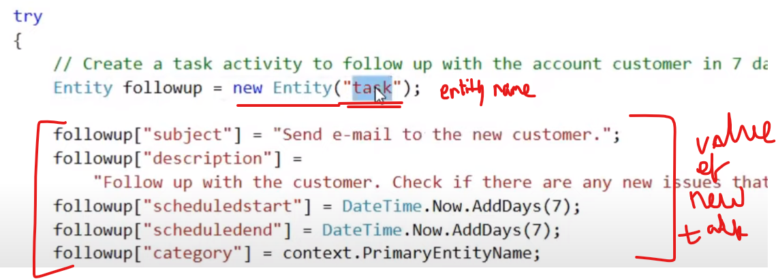

 |  | last step is to create task in CRM

